Sheet1
Deeplearning | Subject 1 | Subject 2 | Subject 3 | Subject 4 | Subject 5 | Subject 6 | Subject 7 | Subject 8 | Subject 9 | Subject 10 | Subject 11 | Subject 12 | Subject 13 | Subject 14 | Subject 15 | Subject 16 | Subject 17 | Subject 18 | Subject 19 | Subject 20 | Subject 21 | Subject 22 | Subject 23 | Subject 24 | Subject 25 | Subject 26 | Subject 27 | Mean
Training Accuracy | 0.952 | 0.9668 | 0.9199 | 0.9202 | 0.958 | 0.9692 | 0.9679 | 0.9345 | 0.9323 | 0.9529 | 0.9609 | 0.9339 | 0.9357 | 0.9445 | 0.9694 | 0.937 | 0.9533 | 0.948 | 0.9074 | 0.9686 | 0.9649 | 0.9683 | 0.9257 | 0.9778 | 0.9731 | 0.9646 | 0.8913 | 0.94807777778
Validation Accuracy | 0.9372 | 0.953 | 0.9033 | 0.8971 | 0.942 | 0.9589 | 0.9602 | 0.9194 | 0.9205 | 0.9361 | 0.9473 | 0.9164 | 0.9206 | 0.9408 | 0.9495 | 0.918 | 0.9445 | 0.9357 | 0.8853 | 0.9583 | 0.9459 | 0.9556 | 0.9066 | 0.9696 | 0.9628 | 0.9536 | 0.8663 | 0.9335
Training Loss | 0.1706 | 0.1051 | 0.2624 | 0.26 | 0.1195 | 0.0976 | 0.0895 | 0.2223 | 0.2017 | 0.1512 | 0.1183 | 0.1983 | 0.1995 | 0.1872 | 0.0977 | 0.2077 | 0.1635 | 0.1792 | 0.3174 | 0.1099 | 0.1121 | 0.0952 | 0.2361 | 0.071 | 0.0788 | 0.1109 | 0.3345 | 0.16656296296
Validation Loss | 0.2305 | 0.1609 | 0.3336 | 0.3531 | 0.1861 | 0.1482 | 0.1214 | 0.2851 | 0.2477 | 0.2253 | 0.1704 | 0.2747 | 0.2688 | 0.2068 | 0.1956 | 0.2908 | 0.2032 | 0.2391 | 0.4152 | 0.1558 | 0.1888 | 0.1434 | 0.3121 | 0.109 | 0.1198 | 0.1606 | 0.4402 | 0.22911851852

Accuracy | 93.716565179 | 95.296354254 | 90.329263975 | 89.713899995 | 94.201910853 | 95.886008992 | 96.018190744 | 91.944661539 | 92.054101984 | 93.608586856 | 94.726275769 | 91.643644592 | 92.056239512 | 94.08193845 | 94.952370109 | 91.804535837 | 94.452249907 | 93.570912909 | 88.526511581 | 95.830619741 | 94.593671751 | 95.562202027 | 90.664175037 | 96.956267135 | 96.283325085 | 95.357695839 | 86.628483171 | 93.350394919
F1 Score | 0.936167497 | 0.9527242539 | 0.90134699434 | 0.89514167337 | 0.94162051195 | 0.95857756383 | 0.95990848472 | 0.91793823658 | 0.91926883578 | 0.93533733096 | 0.94684296577 | 0.9152623626 | 0.9195539833 | 0.94068732194 | 0.94906944632 | 0.91639526962 | 0.94386433481 | 0.93490208994 | 0.88289232483 | 0.95793633946 | 0.94560546775 | 0.95545496099 | 0.90557757125 | 0.96929543757 | 0.96253937239 | 0.95285288337 | 0.86362804109 | 0.93260709465

Mean Absolute Error | 0.4260768489 | 0.33772616169 | 0.72796055651 | 0.86533568721 | 0.48711026068 | 0.34654853213 | 0.30264075864 | 0.65480646621 | 0.58063021929 | 0.53471618596 | 0.43813443417 | 0.69389849238 | 0.67710228314 | 0.46619622709 | 0.40672005263 | 0.67602993595 | 0.48190923035 | 0.5542692131 | 0.94523148266 | 0.34722692578 | 0.36989402332 | 0.33090481486 | 0.87449713203 | 0.25109797972 | 0.28848960118 | 0.37222016689 | 1.1132762726 | 0.53891296093
Mean Squared Error | 4.3940586736 | 3.7117028568 | 7.9689618547 | 9.9996105717 | 5.8955059567 | 3.9537688442 | 3.2333402238 | 7.4891064402 | 6.2544831328 | 6.3082707757 | 5.3420329498 | 8.2803957166 | 8.1823412447 | 5.1828951244 | 4.8631573621 | 7.7202096085 | 5.8414946959 | 6.4288376977 | 11.060221163 | 4.0816682731 | 4.0487518021 | 3.6692485653 | 10.864297023 | 3.0232239346 | 3.0925298514 | 4.2105068442 | 12.569174336 | 6.2099924268
Root Mean Square Error | 2.0962010098 | 1.9265780173 | 2.8229349717 | 3.1622160855 | 2.4280662999 | 1.988408621 | 1.7981491105 | 2.736623182 | 2.5008964658 | 2.5116271172 | 2.3112838315 | 2.8775676737 | 2.8604791984 | 2.2765972688 | 2.2052567565 | 2.7785265175 | 2.4169184297 | 2.5355152726 | 3.3256910806 | 2.0203139046 | 2.0121510386 | 1.9155282732 | 3.2961033089 | 1.7387420552 | 1.758559027 | 2.0519519595 | 12.569174336 | 2.7748911412

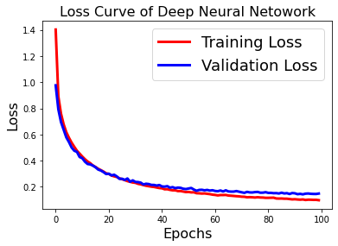
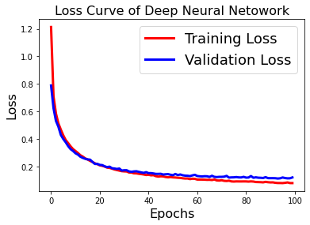
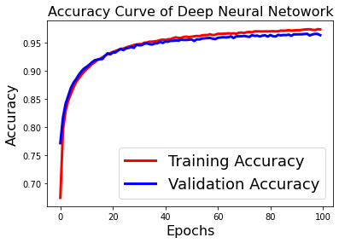
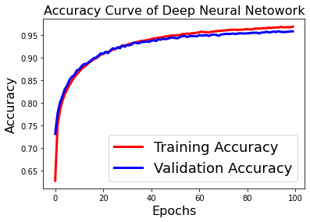

 |  |  |  |  |  |  |  |  |  | Subject 6 |  |  |  |  |  |  |  |  |  | Subject 25

